Getting Started
Getting Started

1. Using the PivotTable Field list to edit your table:
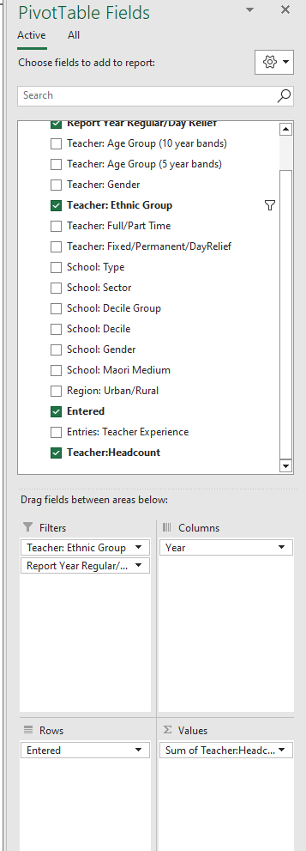
1. ∑ Values is automatically set to "sum of Teachers Headcount". This can be switched out only with Teachers FTTE to create a 'sum of Teachers FTTE' value. For the data to make sense sum must be the calculation used.

2. "Row labels"- Drag any variable from the field list, except "Teacher Headcount", 'Teacher FTTE', into this box and it will show up down the left hand side of the table. Un-tick field to remove it or drag it into another box.

3. "Column Labels"- Drag any variable from the field list, except "Teacher Headcount", 'Teacher FTTE', into this box and it will show across the top of the table. Un-tick field to remove it or drag it into another box.

4. "Report filter"- Drag any variable from the field list, except "Teacher Headcount", 'Teacher FTTE', into this box and it will appear as a filter above the table. If you click on the drop down list you can limit it to the types of students/schools/ regions that you are interested in. See picture below:

4
3

2
1

NOTE: The data reported here is based on teacher movements from each year. If "Year" is not included as a column or row filter, it is important to select it as a "report filter" so results are limited to a single year. Otherwise, the numbers will automatically be summed across all years.

Note: This table uses total response ethnicity; teachers have been counted in each ethnic group they belong to and once in "Total" Ethnic Group. If not using ethnic group as a variable of Interest- select as a report filter and limit to "Total" only. Otherwise students will be double counted.

A filter symbol appears next to variable label if results are being limited. To reset this click on the symbol and select (all) instead.

See 'Dimension Notes' tab for more detailed description of each variable.

Technical Notes
Technical Notes

Dimension | Technical Notes
Year | The year being reported on, a year is reported on once complete so will always be one year behind the current inflight year. Statistics for the year are about the main role a teacher was in during that year. Entered and Leaving Statistics: The year for Entered Teachers is about teachers seen in this year that weren't in the previous year, the year for Leaving Teachers is about the year they left from i.e when reporting on 2018 teachers if a teacher was in 2018 and not seen in 2019 they would be a 2018 Leaver.

Entered | The number of teachers moving into our schooling teacher workforce (into State and State-Integrated schools) are presented for each year. These numbers count those teachers who were teaching in one year, but were not teaching in the previous year. For calculating entry rates we use Entered over the total teacher headcount (grand total for the year).

Entries: Teacher Experience | This allows us to separate our teachers who are entering the teacher workforce into those who are new to our teacher workforce and those who are returning to it after a break from teaching. New - teachers who have never worked as a teacher in a State or State-Integrated school in New Zealand before (this includes both new domestic initial teacher education graduates and teachers entering from overseas). Returning - teachers who have worked as a teacher in a State or State-Integrated school in New Zealand before, but were not in the teacher workforce in the previous year.

Teacher: Ethnic Group | The Ministry uses Statistics New Zealand's definition of ethnicity: ethnicity is the ethnic group or groups that people identify with or feel they belong to. Ethnicity is a measure of cultural affiliation, as opposed to race, ancestry, nationality or citizenship. Total response ethnicity is used here. This means that teachers can identify with up to 3 different ethnic groups, and have been counted in each ethnic group they belong to and once in "Total" Ethnic Group. If not using ethnic group as a variable of Interest - select as a report filter and limit to "Total" only. Otherwise students will be double counted.

Teacher: Age 5yr Group | The age of the teacher, in five year age-groups. Age is calculated as at 1 July for each year.
Teacher: Age 10yr Group | The age of the teacher, in ten year age-groups. Age is calculated as at 1 July for each year.
Teacher: Gender | The gender of the teacher.
Teacher: Fixed/Permanent | The type of contract a teacher is on - Fixed Term or Permanent
Teacher: Full/Part Time | The type of contract a teacher is on - Full Time or Part Time
Teacher: Headcount | A count of individual teachers.
School: Type | The type of the school, for example, Composite (Year 1 to 15), Secondary (Year 7 to 15), Secondary (Year 9 to 15) the teacher moved from.
School: Sector | Teachers are grouped into the primary or secondary sector depending on the type of the school they work in. The primary sector includes all primary schools, intermediates and special schools. The secondary sector includes all secondary schools and composite schools (including Te Kura, the correspondence school).

School: Gender | The gender of the students that a school caters for, for example, co-educational, or single sex.
School: Equity Index Band | The Equity Index Band of a school is an indicator of the relative degree of socioeconomic barriers to educational achievement faced by students at the school, and is intended as a tool for analysing and reporting on socioeconomic trends in education data. Equity Index Bands are derived from the Equity Index used for school funding. There are seven Equity Index Bands each containing a similar number of schools. In order of increasing socioeconomic barriers the bands are named: “Fewest”, “Few”, “Below Average”, “Average”, “Above Average”, “Many”, and “Most”. While the equity index has been in use only since 2023, here Equity Index Bands are used from 2019 onwards. This is done using 2023 Equity index numbers in order to provide a time series for socioeconomic analysis, as 2023 EQI numbers provide a reasonable estimation of the socioeconomic circumstances of a school's learners back to 2019. Some schools are not assigned an Equity index band and are included under "Not Applicable". This includes: All private schools (these schools do not have an Equity Index number) Te Aho o Te Kura Pounamu (the unique nature of this school means that it is inappropriate for inclusion within an Equity Index Band or Group) Schools which are assigned a notional Equity Index number. These include Teen Parent Units, Activity Centres, Regional Health Schools, some specialist schools, and a small number of very small schools. These schools are assigned the maximum Equity Index number to reflect either the particular challenges unique to those settings, and/or limitations on data availability.

School: Equity Index Group | There are three groups of schools formed by collapsing the seven Equity Index Bands as follows. The “Fewest” and “Few” Equity Index Bands are combined to form the “Fewer” Equity Index Group. The “Many” and “Most” Equity Index Bands are combined to form the “More” Equity Index Group. The remaining Equity Index Bands are combined to form the “Moderate” Equity Index Group.

Relationship between the Schooling Equity Index, Equity Index bands and Equity Index Groups | 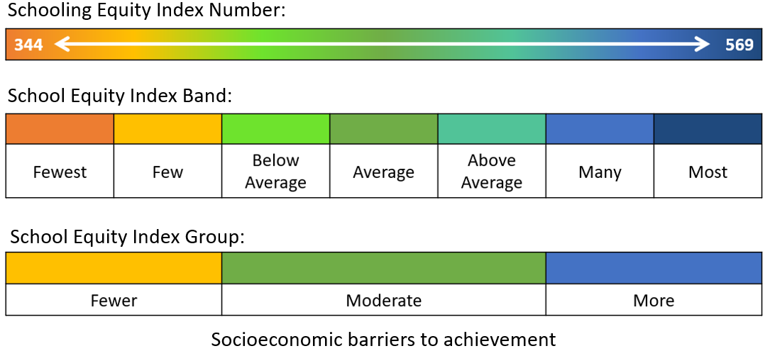

School: Decile | Up until 2022, decile was used by the Ministry as a mechanism for determining the level of equity funding that schools receive schools, and we have also used this as a way to understand socioeconomic trends in education data. From 2023 onward this has been replaced by the Schooling Equity Index. Schools were assigned a socioeconomic score based on five census derived socioeconomic factors. Decile 1 schools are the 10% of schools with the greatest proportion of students from the most socioeconomically deprived areas. Decile 10 schools are the 10% of schools with the greatest proportion of students from the least socioeconomically deprived areas.

School: Decile Grouped | School decile grouped into Low (Decile 1-3), Medium (Decile 4-7), and High (Decile 8-10). Available up until 2022.
School: Urban/Rural | A grouping based on the size and nature of the area of the school where the employee works their main teaching role for the year. These groupings are based on Statistics New Zealand definitions:

 | Main urban | Main urban areas are very large urban areas centred on a city or major urban centre. Main urban areas have a minimum population of 30,000.

 | Secondary urban | Secondary urban areas have a population between 10,000 and 29,999 and are centred on the larger regional centres.
 | Minor urban | Minor urban areas are urbanised settlements (outside main and secondary urban areas), centred around smaller towns with a population between 1,000 and 9,999.

 | Rural | Those living in rural settlements or townships, also includes areas with a population between 300 and 999.

